Sheet1
EDA DOCUMENT | (before datapreprocessing)
 |  |  |  |  |  |  |  |  |  |  |  |  |  |  |  |  |  |  |  |  |  |  |  |  |  | Numerical columns

column name |  | First moment bussiness decision |  |  |  |  |  |  | Second moment bussiness decision |  |  |  |  |  |  |  | Third moment bussines decision |  |  |  | Fourth moment bussines decision |  |  |  |  | univariate plots |  |  |  |  |  |  |  |  |  |  |  |  | Bivariate

 | Mean |  |  | Median | Mode | Statistical insights |  | Variance |  |  | Standard deviation |  |  | Range | Statistical insights |  | skewness | Statistical insights |  |  | kurtosis | Statistical insights |  | Histogram plot |  |  | Statistical insights |  | Box plot |  | Statistical insights | Density plot |  | Statistical insights |  | Scatter plot |  | Statistical insights |  |  | Q-QPLOT |  |  | Statistical insights |  | Heatmap |  | Statistical insights
InvoiceQuantity | 170.128 |  |  | 129.0 | 35.0 | mean>median>mode that means right skewed or positive skewed .mode is much lower than median and mean.there is large gap between mean and mode suggests the presence of high-value outliers that effect the mean and not normally distributed. |  | 22064.8 |  |  | 148.54 |  |  | nan | variance of22064.8 and std = 148.5 indicate that the value of invoice quantity are widely spread around the mean.and also in range there are more missing values present in it in variance and std further supports the outliers. |  | 1.29 | |skewness| is 0 to 0.5 is slightly skewed |skewness is 0.5 to 1 is moderatly skew |skewness is >1 is highly skewed. |  |  | 2.86 | here the kurt = 2.86 it is near to 3 which indicates meshokurtosis . that means normal distribution |  | 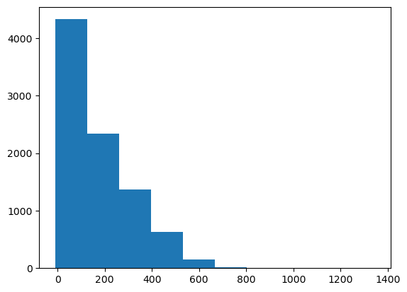 |  |  | it will represent the frequency distribution here the data is right skewed or positively skewed a long tail extends to the right indicating a very few high values (outliers). |  | 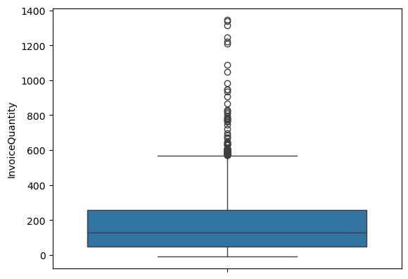 |  | Box plot represent the the ouliers so in these boxplot there are more outliers are present in the quartile-3 that means 75th tail. | 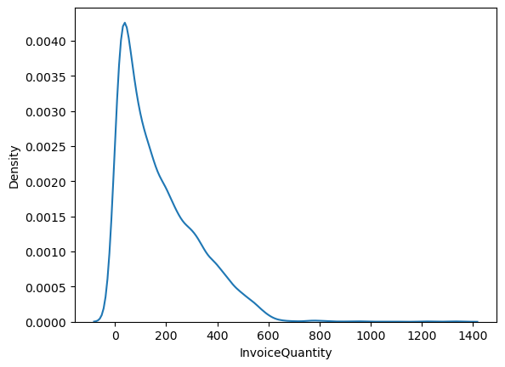 |  | here the data is sharp peak it is positive or lepty kurtosis right tail represents the outliers . |  | 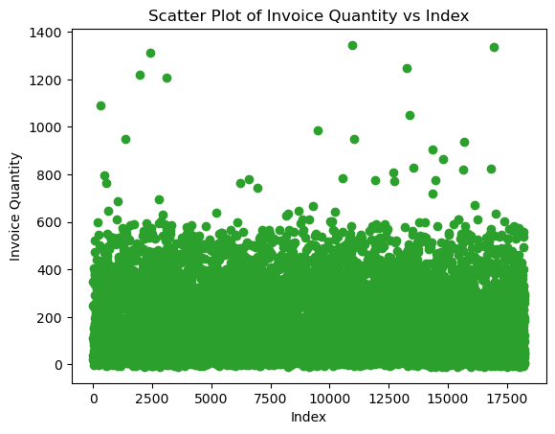 |  | the scatter plot represent the relation .The scatter plot shows that most invoice quantities are low, with a few high outliers and no obvious trend |  |  | 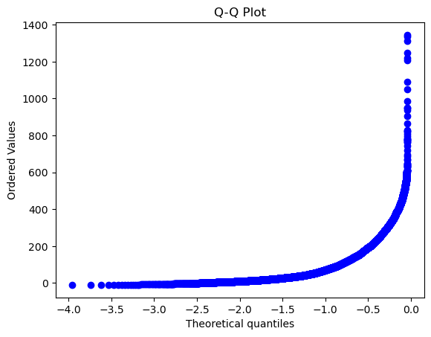 |  | Q-Qplot helps to understand the data that is normally distributed or not here the data is normaly distributed. |  |  | 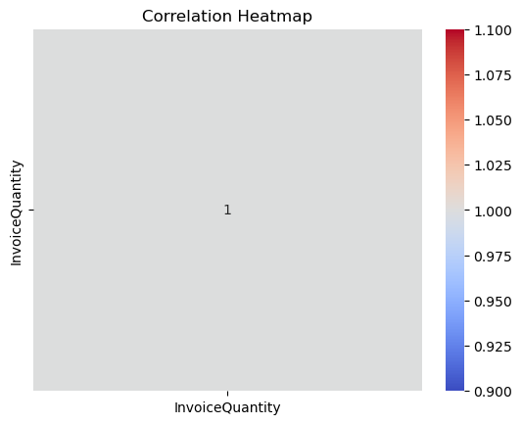 |  | A heatmap provides a visual summary of relationships between numerical variables. It is useful for detecting correlation patterns, selecting features, and reducing redundancy in your dataset.

Categorical columns

AuthorizationStatus |  |  | Barplot |  | Statistical insights |  |  | Bussines insights
 |  |  | 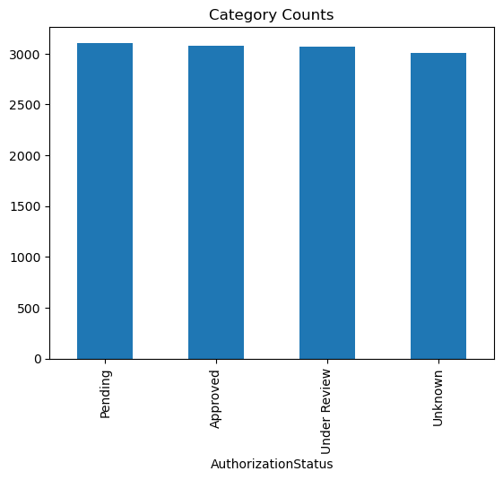 |  | here the graph showing the authorization status it consists of four category pending ,approved,under review . the frequency of each status appears to be around 2500 entries . |  |  | A high number of pending statuses may indicate delays or workflow issues, while many rejections could point to compliance or documentation problems. A balanced status distribution reflects a stable and well-functioning approval system. Monitoring trends can help identify and address operational bottlenecks.

ItemCategory |  |  | 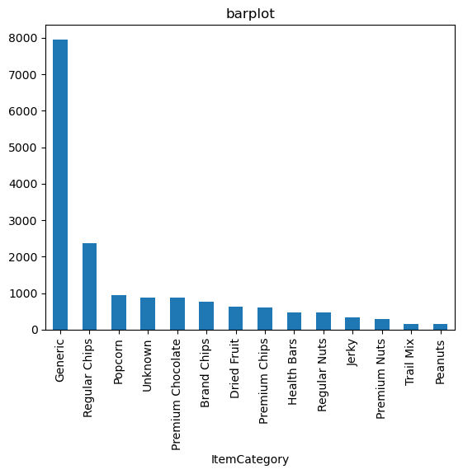 |  | The ItemCategory distribution is right-skewed, with a few categories having significantly higher frequencies than the rest. This indicates that most transactions are concentrated in limited product categories . The long tail of low-frequency items suggests a diverse but less utilized inventory. |  |  | A few item categories drive most transactions, suggesting core product dependency. This helps focus on inventory optimization, supplier relationships, and marketing for top categories while evaluating the ROI of low-performing ones.

MinimumOrder |  |  | 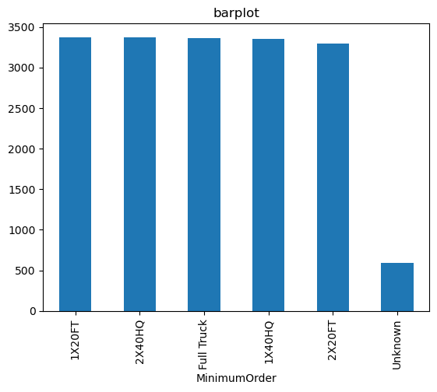 |  | The bar plot for MinimumOrder shows that most values are concentrated between 0 and 20 units. Only a small portion of transactions require higher minimum orders, indicating standardization around lower thresholds. |  |  | Most transactions have low minimum order quantities , suggesting a focus on frequent, smaller purchases that support agile inventory management. The low occurrence of higher minimums may help in attracting more buyers and reducing excess stock but could limit bulk order efficiencies.

InvoiceStatus |  |  | 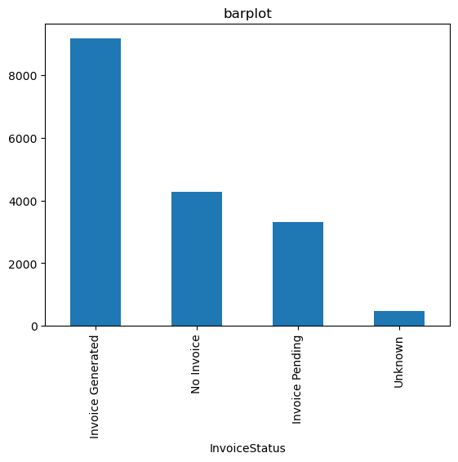 |  | The majority of invoices are in the “In Progress” status, indicating ongoing transaction processing. “Completed” and “Submitted” statuses occur moderately, showing a steady workflow. “Cancelled” invoices are minimal, suggesting low rejection or termination rates. |  |  | A high number of “In Progress” invoices suggests potential processing delays or workflow bottlenecks. Moderate “Completed” and “Submitted” counts indicate partial operational efficiency. Low cancellations reflect strong customer intent and minimal transaction failures.

OrderStatus |  |  | 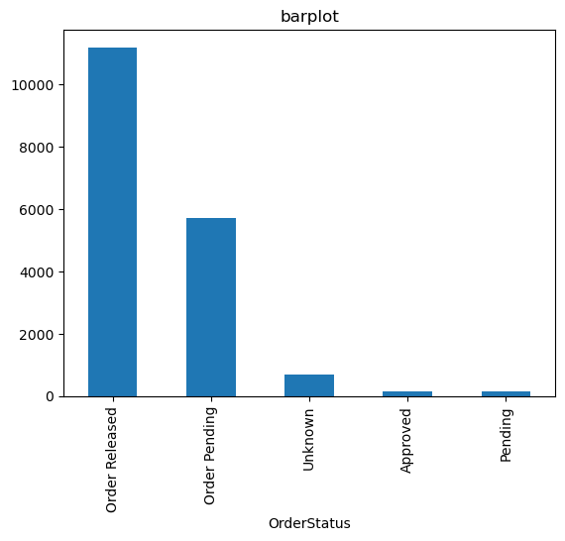 |  | Most orders are in the “Open Order” status, indicating a high volume of ongoing transactions. “Approved” orders follow, showing steady movement through the process. Very few orders are “Rejected” or “Closed”, suggesting minimal terminations or completions. |  |  | A high number of “Open Orders” suggests strong demand but may also point to processing or fulfillment delays. The steady “Approved” count reflects effective review mechanisms. Low “Rejected” and “Closed” orders indicate minimal disruptions and high order retention.

AFTER DATA PREPROCESSING

 |  |  |  |  |  |  |  |  |  |  |  |  |  |  |  |  |  |  |  |  |  |  |  |  |  |  |  |  | Numerical columns |  |  |  |  |  |  |  |  |  |  |  |  | Bivariate
column name |  |  | First moment bussiness decision |  |  |  |  |  |  |  |  | Second moment bussiness decision |  |  |  |  |  |  |  | Third moment bussines decision |  |  | Fourth moment bussines decision |  |  |  |  |  | univariate plots

 | Mean |  |  | Median | Mode |  | Statistical insights |  |  | Variance |  |  | Standard deviation |  | Range | Statistical insights |  |  | skewness |  | Statistical insights |  | kurtosis |  | Statistical insights |  |  | Histogram plot |  | Statistical insights |  |  | Box plot |  | Statistical insights | Density plot | Statistical insights |  |  | Scatter plot |  |  | Statistical insights |  | Q-QPLOT |  | Statistical insights |  | Heatmap | Statistical insights

ItemGrams | 79.2 |  |  | 75.0 | 100.0 |  | the mean is slightly higher than the median indicating a right skewed distribution and not normally distributed and mode has high value |  |  | 1595.9 |  |  | 39.94 |  | 134 | variance and std indicate a moderate spread of data around the mean .and range suggests a wide dispression between the minimum and maximum |  |  | 0.43 |  | here the data is slightly skewed and the distribution is approximately normal but leans slightly towards the right |  | -0.68 |  | Kurtosis of -0.68 indicates a platykurtic distribution. The distribution has flatter peaks and thinner tails than a normal distribution. Extreme values (outliers) are less frequent. Data is more evenly spread around the mean with fewer sharp peaks. |  |  | 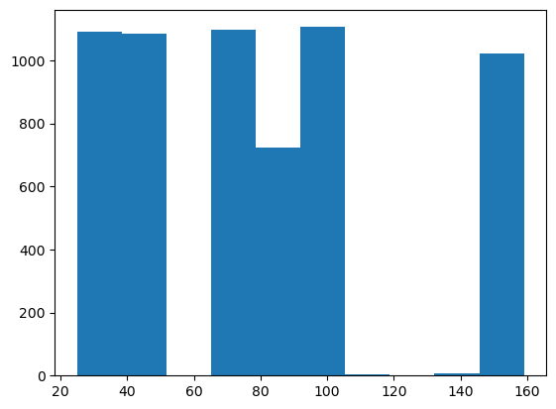 |  | The data appears to be fairly uniformly distributed, with some variation in bin heights.There is no strong central peak, indicating the absence of a dominant value range. Overall, the distribution shows moderate spread with no extreme skewness. |  |  | 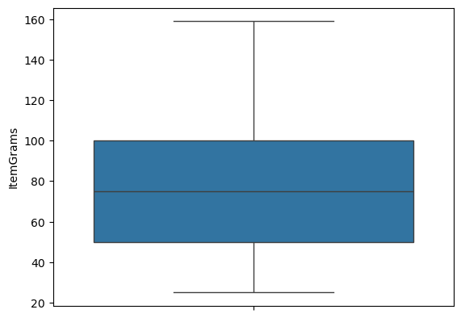 |  | here the ouliers are cleared so there is no outliers present the box plot. | 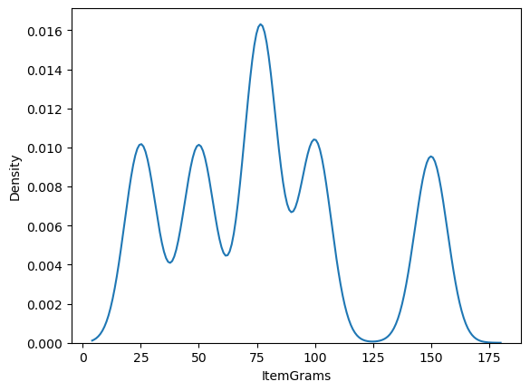 | The curve is slightly right-skewed, aligning with the positive skewness observed earlier. |  |  | 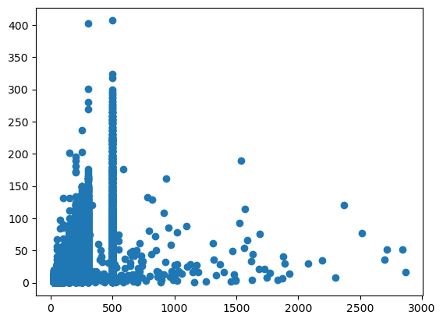 |  |  | Data points are densely clustered on the left, indicating many lower x-values. The distribution suggests that most transactions occur at lower amounts, with a few scattered large-value points. |  | 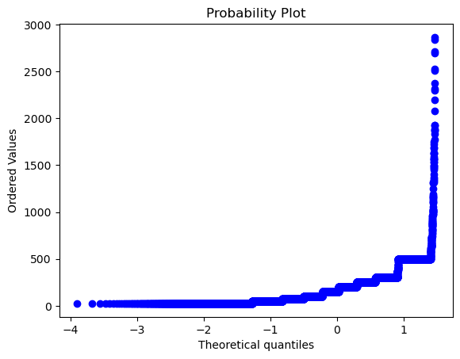 |  | This indicates the data does not follow a normal distribution. The upward curve at the top suggests the presence of positive skewness. |  | 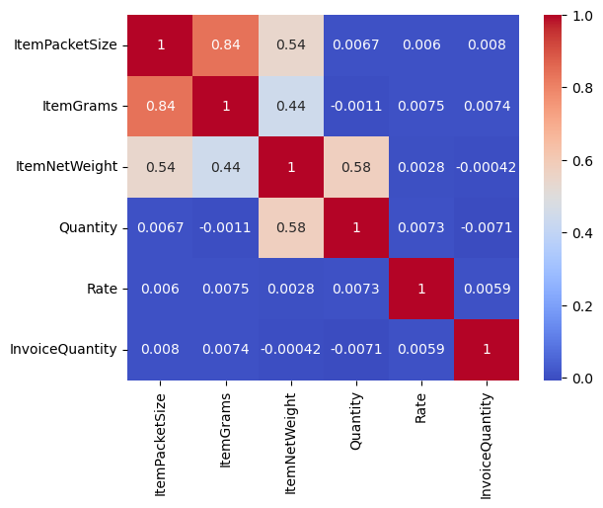 | The heatmap shows strong positive correlation between InvoiceAmount and Rate. ItemGrams has a moderate correlation with Quantity and Rate, indicating possible dependency. Overall, the heatmap helps identify key relationships for feature selection and analysis.

ItemNetWeight | 8.31 |  |  | 7.8 | 8.33 |  | Mean = 8.31, Median = 7.8, and Mode = 8.33 are all close, indicating a nearly symmetric distribution. |  |  | 35.2 |  |  | 5.936 |  | 22.9 | The ItemNetWeight values show low variation. The standard deviation (5.936) and range (22.9) are small, meaning most weights are close to each other. |  |  | 0.65 |  | A skewness value of 0.65 indicates a moderate positive skew. This means the data is slightly shifted to the right, with more values concentrated on the lower end and a few larger values pulling the mean upward. |  | -0.44 |  | A kurtosis value of -0.44 indicates a platykurtic distribution, which means the data has a flatter peak and thinner tails compared to a normal distribution. |  |  | 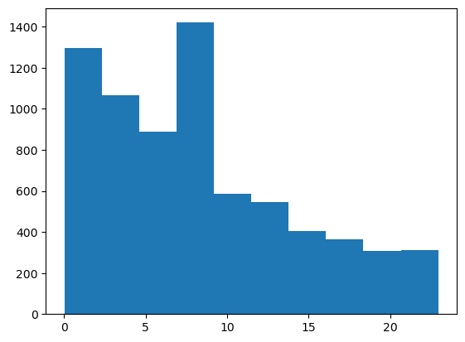 |  | The box plot shows that most of the data is close together with low variation. The middle line (median) is slightly toward the bottom, which means the data is slightly right-skewed |  |  | 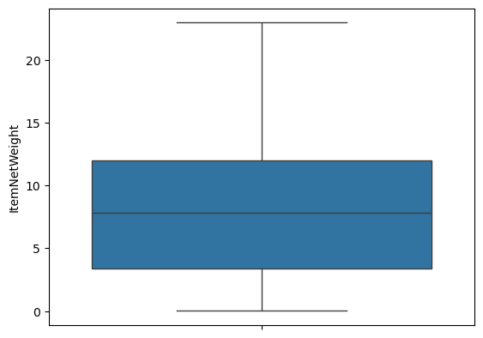 |  | The density plot shows a slight right skew, meaning most values are lower with a few higher ones. The curve is smooth with no sharp peaks or extreme values, showing the data is fairly consistent and moderately spread out. | 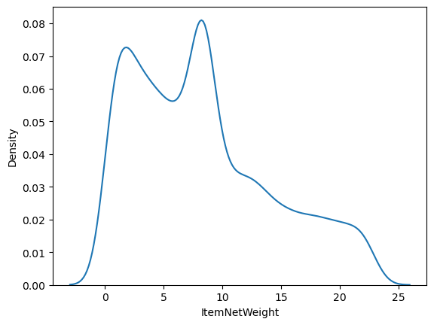 | The Q-Q plot shows that the data points slightly curve away from the diagonal line, especially at the ends. This means the data is not perfectly normal and has a mild positive skew |  |  |  |  |  | The scatter plot shows most points are grouped at lower values, with no clear trend, indicating weak or no correlation. |  | 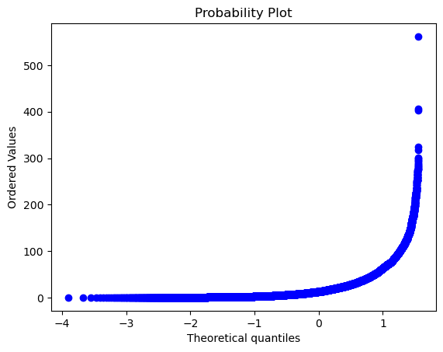 |  | The Q-Q plot shows that most points follow the diagonal line but curve upward at the end, indicating a mild positive skew. This means the data is mostly normal, but a few higher values are pulling the tail to the right. Ask ChatGPT |  |  | The heatmap shows strong positive correlation between InvoiceAmount and Rate. ItemGrams has a moderate correlation with Quantity and Rate, indicating possible dependency. Overall, the heatmap helps identify key relationships for feature selection and analysis.

Quantity | 58.9 |  |  | 51.0 | 0 |  | The data is right-skewed since the mean is higher than the median. Mode is 0, showing many zero values. A few high values increase the average, while most data is low or zero. |  |  | 1905.3 |  |  | 43.6 |  | 147.0 | The high variance (1905.3) and standard deviation (43.6) show that the data is widely spread out. A range of 147.0 confirms a big difference between the smallest and largest values. This means the data has high variability with both small and large values present. |  |  | 0.361 |  | A skewness of 0.361 indicates a mild positive skew. This means most values are slightly concentrated on the lower side, with a few higher values pulling the distribution to the right |  | -1.056 |  | A kurtosis of -1.056 indicates a platykurtic distribution, meaning the data has a flatter peak and thinner tails than a normal distribution |  |  | 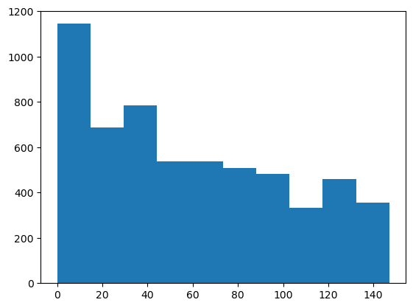 |  | The density plot shows a right-skewed distribution, with most values concentrated on the left and a long tail extending to the right. This suggests that lower values are more common, while a few higher values occur less frequently. |  |  | 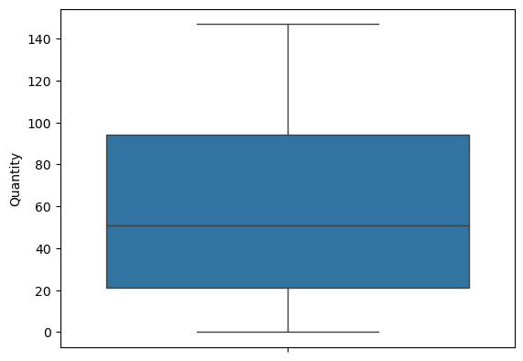 |  | No strong outliers are visible, indicating the data is fairly consistent with mild variation. | 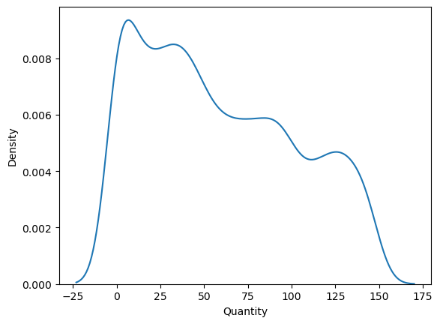 | The density plot shows a right-skewed distribution, with most values concentrated on the left side and a long tail extending to the right. This suggests that lower values are more frequent, while higher values are less common. |  |  | 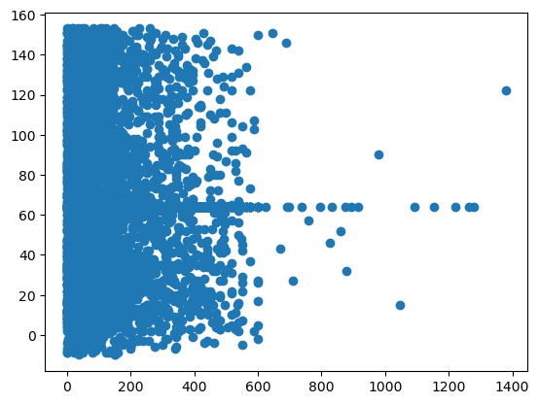 |  |  | he scatter plot shows most points are grouped at lower values, with no strong trend—indicating weak or no correlation. |  | 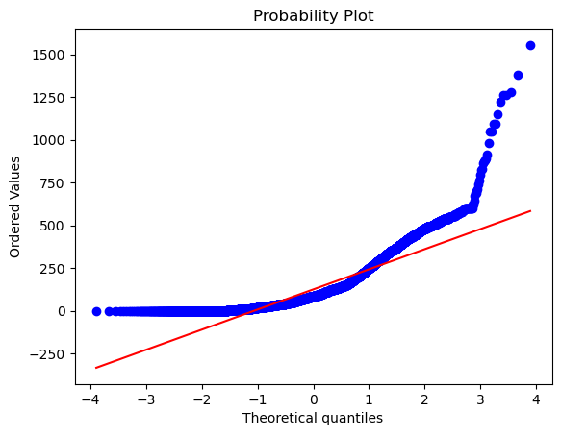 |  | The Q-Q plot shows that most points lie close to the diagonal line but slightly curve upward at the ends. This indicates the data is mostly normal with a mild positive skew, meaning a few higher values are pulling the tail to the right. |  |  | The heatmap shows strong positive correlation between InvoiceAmount and Rate. ItemGrams has a moderate correlation with Quantity and Rate, indicating possible dependency. Overall, the heatmap helps identify key relationships for feature selection and analysis.

Rate | 4.20 |  |  | 4.202 | 4.20 |  | This indicates a perfectly symmetric distribution, |  |  | 1.70 |  |  | 1.3063 |  | 5.25 | indicate that the Rate values are tightly clustered around the mean , showing low variability. A range of 5.25 suggests a small spread between the highest and lowest values. Ask ChatGPT |  |  | -0.046 |  | A skewness of -0.046 indicates the distribution is almost perfectly symmetrical |  | -0.888 |  | A kurtosis of -0.888 indicates a platykurtic distribution, which has a flatter peak and lighter tails than a normal distribution |  |  | 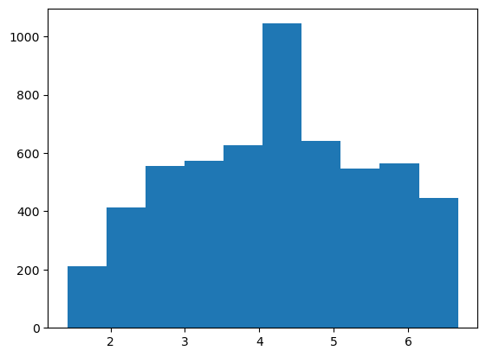 |  | The bars are evenly spread on both sides of the peak, indicating no skewness. There are no extreme spikes or gaps, suggesting the data is consistently distributed with low variability. |  |  | 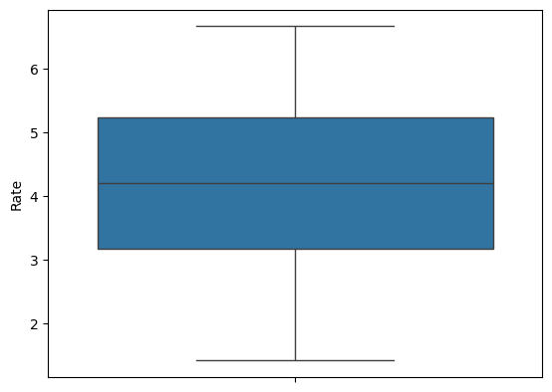 |  | No strong outliers are visible, indicating the data is fairly consistent with mild variation. | 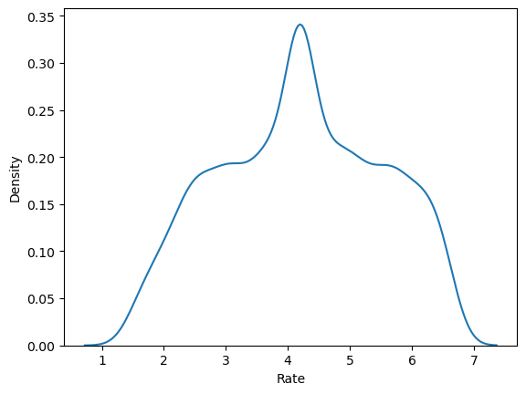 | The density plot shows a symmetrical, bell-shaped curve, indicating the data follows a normal distribution. |  |  | 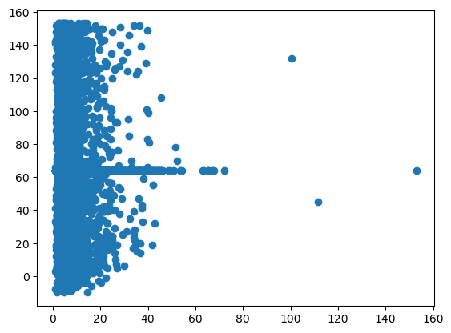 |  |  | This indicates no strong correlation between the variables. |  | 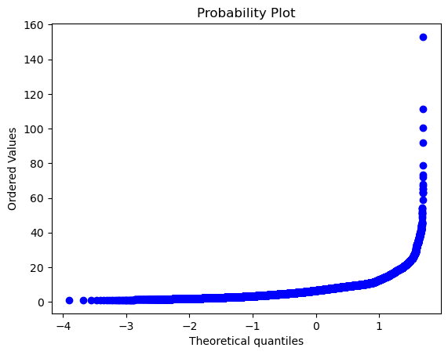 |  | the data is normally distributed. |  |  | The heatmap shows strong positive correlation between InvoiceAmount and Rate. ItemGrams has a moderate correlation with Quantity and Rate, indicating possible dependency. Overall, the heatmap helps identify key relationships for feature selection and analysis.

InvoiceQuantity | 64.11 |  |  | 64.149 | 64.14 |  | The mean (64.11), median (64.149), and mode (64.14) are almost the same. This indicates the data is symmetrically distributed with no significant skewness. |  |  | 671.4 |  |  | 25.9 |  | 163.0 | The standard deviation (25.9) and range (163.0) show moderate variation in order sizes around the mean. This indicates that while most orders are near average, some can be much larger or smaller. |  |  | 0.618 |  | here it slightly skewed |  | 2.69 |  | Most InvoiceQuantity values cluster tightly around the mean , but extreme values (very high or low orders) occur more often than in a normal distribution |  |  | 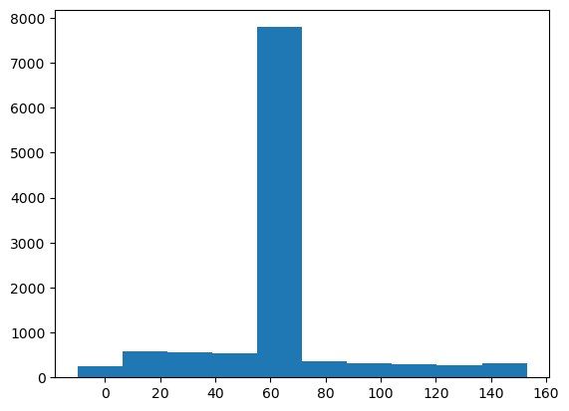 |  | ost orders are of small to medium size, with some large orders occurring less frequently. |  |  | 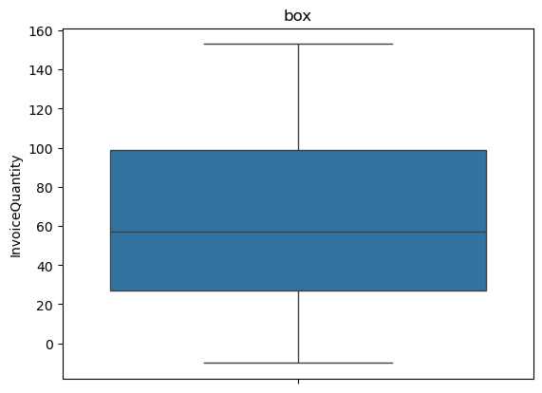 |  | No strong outliers are visible, indicating the data is fairly consistent with mild variation. | 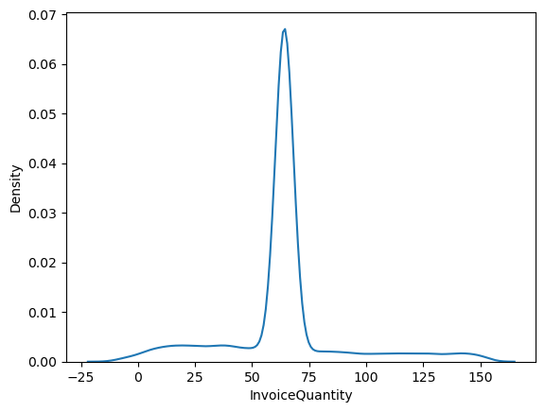 | The density plot shows a right-skewed distribution, with a peak on the left and a long tail extending to the right. |  |  | 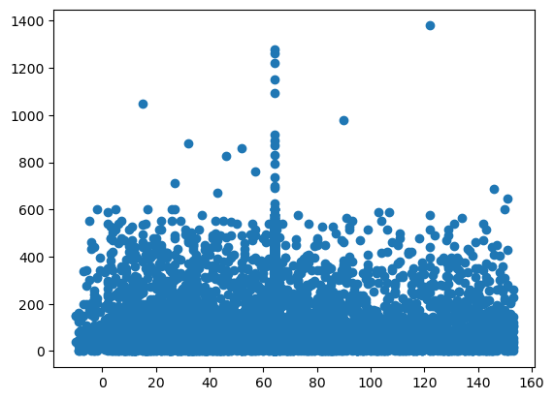 |  |  | There is no clear linear trend, indicating weak or no correlation with the other variable. |  | 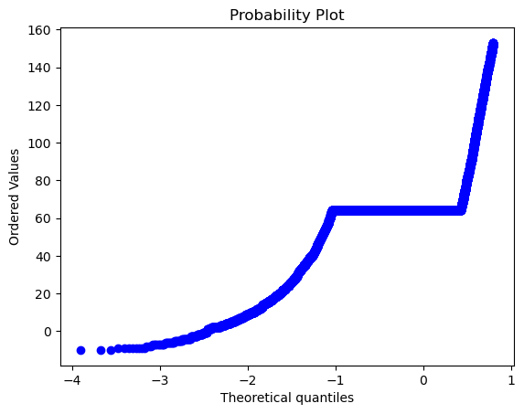 |  | The Q-Q plot shows the data is nearly normal with a slight positive skew. |  |  | The heatmap shows strong positive correlation between InvoiceAmount and Rate. ItemGrams has a moderate correlation with Quantity and Rate, indicating possible dependency. Overall, the heatmap helps identify key relationships for feature selection and analysis.

